Sheet1
Large Ashiko: 560 Piece Pattern 7 |  |  |  | Segements per Ring: 20 |  |  | Ring Thickness: 0.875 |  |  | Angle: 9.00°
 | Board |  | Segment | Diameter |  | Species
Row | Width | Length | S.E.L. | Outer | Inner | Maple | Lgth | Wenge | Lgth | Blood | Lgth | Cherr | Lgth | Yello | Lgth
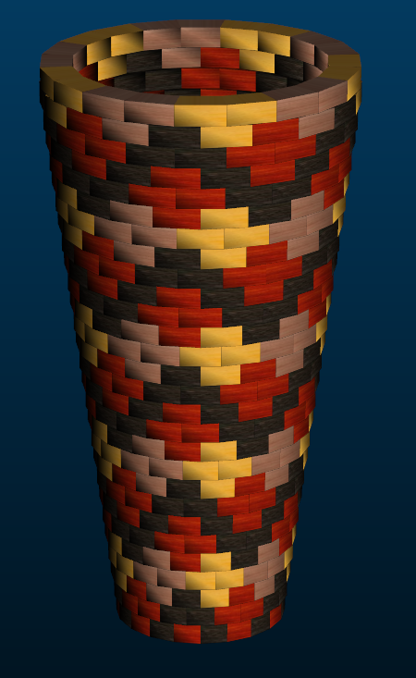
1 | .00 | .0 | .000 | 6.9"
2 | 3.11 | 15.2 | 1.131 | 7.1" | 0.9" | 5 | 3.7 | 10 | 7.5 | 5 | 3.7
3 | 3.04 | 16.1 | 1.166 | 7.4" | 1.3" |  |  | 10 | 8 | 10 | 8
4 | 2.96 | 17.0 | 1.201 | 7.6" | 1.7" |  |  | 5 | 4.2 | 5 | 4.2 | 5 | 4.2 | 5 | 4.2
5 | 2.90 | 18.0 | 1.239 | 7.8" | 2" |  |  |  |  |  |  | 10 | 8.9 | 10 | 8.9
6 | 2.82 | 18.9 | 1.273 | 8" | 2.4" |  |  | 5 | 4.6 | 5 | 4.6 | 5 | 4.6 | 5 | 4.6
7 | 2.76 | 19.8 | 1.308 | 8.3" | 2.8" |  |  | 10 | 9.9 | 10 | 9.9
8 | 2.69 | 20.8 | 1.343 | 8.5" | 3.1" |  |  | 10 | 10.3 | 10 | 10.3
9 | 2.61 | 21.7 | 1.378 | 8.7" | 3.5" |  |  | 10 | 10.8 | 10 | 10.8
10 | 2.54 | 22.6 | 1.413 | 8.9" | 3.9" |  |  | 5 | 5.6 | 5 | 5.6 | 5 | 5.6 | 5 | 5.6
11 | 2.48 | 23.5 | 1.448 | 9.1" | 4.2" |  |  |  |  |  |  | 10 | 11.7 | 10 | 11.7
12 | 2.40 | 24.5 | 1.482 | 9.4" | 4.6" |  |  | 5 | 6 | 5 | 6 | 5 | 6 | 5 | 6
13 | 2.33 | 25.4 | 1.517 | 9.6" | 5" |  |  | 10 | 12.6 | 10 | 12.6
14 | 2.26 | 26.3 | 1.555 | 9.8" | 5.4" |  |  | 10 | 13.1 | 10 | 13.1
15 | 2.20 | 27.2 | 1.590 | 10" | 5.7" |  |  | 10 | 13.6 | 10 | 13.6
16 | 2.13 | 28.2 | 1.625 | 10.3" | 6.1" |  |  | 5 | 6.9 | 5 | 6.9 | 5 | 6.9 | 5 | 6.9
17 | 2.05 | 29.1 | 1.660 | 10.5" | 6.5" |  |  |  |  |  |  | 10 | 14.5 | 10 | 14.5
18 | 1.98 | 30.0 | 1.695 | 10.7" | 6.8" |  |  | 5 | 7.4 | 5 | 7.4 | 5 | 7.4 | 5 | 7.4
19 | 1.90 | 31.0 | 1.730 | 10.9" | 7.2" |  |  | 10 | 15.4 | 10 | 15.4
20 | 1.84 | 31.9 | 1.764 | 11.1" | 7.6" |  |  | 10 | 15.9 | 10 | 15.9
21 | 1.77 | 32.8 | 1.799 | 11.4" | 7.9" |  |  | 10 | 16.3 | 10 | 16.3
22 | 1.70 | 33.8 | 1.837 | 11.6" | 8.3" |  |  | 5 | 8.3 | 5 | 8.3 | 5 | 8.3 | 5 | 8.3
23 | 1.63 | 34.7 | 1.872 | 11.8" | 8.7" |  |  |  |  |  |  | 10 | 17.3 | 10 | 17.3
24 | 1.57 | 35.6 | 1.907 | 12" | 9" |  |  | 5 | 8.8 | 5 | 8.8 | 5 | 8.8 | 5 | 8.8
25 | 1.49 | 36.5 | 1.942 | 12.3" | 9.4" |  |  | 10 | 18.2 | 10 | 18.2
26 | 1.42 | 37.4 | 1.977 | 12.5" | 9.8" |  |  | 10 | 18.7 | 10 | 18.7
27 | 1.34 | 38.4 | 2.011 | 12.7" | 10.1" |  |  | 10 | 19.1 | 10 | 19.1
28 | 1.27 | 39.3 | 2.046 | 12.9" | 10.5" | 10 | 19.6 | 5 | 9.7 | 5 | 9.7
29 | 1.28 | 39.3 | 2.046 | 12.9" | 10.5" | 20 | 39.3
29 |  |  |  |  |  | 35 | 62.6 | 185 | 250.9 | 180 | 247.1 | 80 | 104.2 | 80 | 104.2

